Water Sources
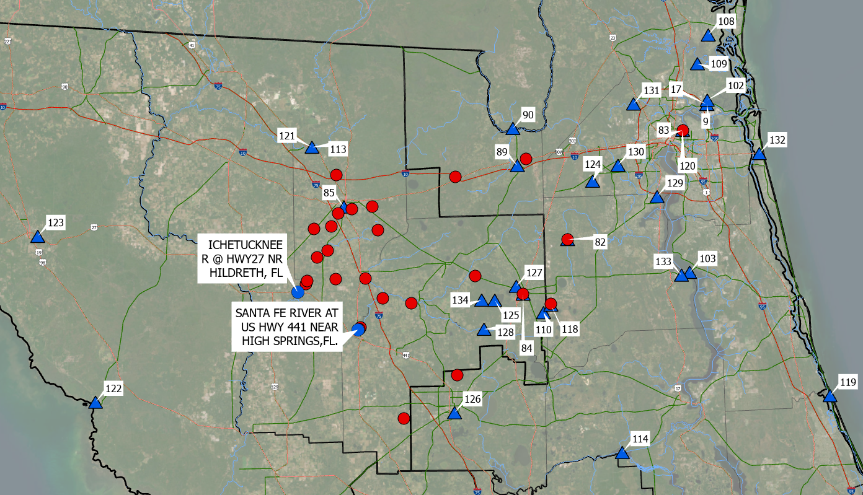
Source OBJECTID | SourceID | Water Source | Estimated Available Water (MGD) | Estimated Available Water (CFS) | SourceType | County | Citation/Analysis Source | Source Water Quality | Notes | Water Sources (Triangles) labeled by Source OBJECTID
109 | NorthNorthBrackish | North North Subgrid JEA Brackish Groundwater Desalination | 9 | 13.93 | Brackish Groundwater | Duval | JEA IWRP | TBD | No specific site, brackish desal recommended in JEA north grid north subgrid
108 | NassauEastBrackish | Nassau East JEA Grid Brackish Groundwater Desalination | 4 | 6.19 | Brackish Groundwater | Nassau | JEA IWRP | TBD | No official location, brackish groundwater considered for desalination in JEA Nassau East Grid
102 | NorthsidePowerDesal30_2015 | Northside Power Plant Desalination Facility 30 MGD | 30 | 46.42 | Brackish Surface Water | Duval | Alternative Water Supply Facilities Master Plan | TBD | Note that the Northside Generation Plant is possibly being decommissioned.
103 | SaintJohnsBrackish | Saint Johns River Brackish Water Desalination | 30 | 46.42 | Brackish Surface Water | St. Johns | Alternative Water Supply Facilities Master Plan | TBD | Possibly more than 30 mgd available
119 | CoquinaCoastDesal | Coquina Coast Desalination Facility | 15 | 23.21 | Desalination | Flagler | Coquina Coast Desal Fact Sheet | TBD | Project abandoned in 2011, approximate location, originally proposed 50 mgd, later reduced to 10-15 mgd
122 | GulfCoastDesal | Desalination on Gulf Coast in Steinhatchee | 30 | 46.42 | Desalination | Dixie | None | TBD | Desal on gulf coast. Selected Steinhatchee as a possible representative location. No studies have investigated desal on the gulf coast. Public opposition likely to be fierce.
17 | NorthsidePowerDesal20 | Northside Power Plant Desalination Facility 20 MGD | 20 | 30.95 | Desalination | Duval | Final Report on Five Potential Seawater Demineralization Project Sites – Task C.5 | TBD | Options for 10, 20, and 30 mgd capacity available, included costs for 20 mgd option.
9 | NorthsidePowerDesal10 | Northside Power Plant Desalination Facility 10 MGD | 10 | 15.47 | Desalination | Duval | Final Report on Five Potential Seawater Demineralization Project Sites – Task C.5 | TBD | Options for 10, 20, and 30 mgd capacity available, included costs for 10 mgd option.
123 | SRWMD_West_Interconnection | Utility Interconnection Project in SRWMD West Half | TBD | TBD | Groundwater | Taylor | None | TBD | Conceptual source meant to represent benefits that could be obtained from interconnecting/gridding utilities to rebalance/wheel water from wet weather transfer/high groundwater transfer. Benefits unknown.
126 | GRU_WWTF_Transfer | GRU WWTF Transfer | 3 | 4.64 | Reclaimed Water | Alachua | GRU, 2024 | TBD | Stand-in point for water transfer from MSWRF to KWRF
89 | MacclennyWWTF | City of Macclenny WWTF | 0.7 | 1.08 | Reclaimed Water | Baker | 2023 NFRWSP, Table B-13 | TBD | Used NFRWSP's value for 2045 total potential additional reclaimed water for reuse, assuming a 75% utilization rate of projected wastewater. 2023 NFRWSP states that 2018 treatment flow was 0.87 mgd and none of this flow is being beneficially reused.
84 | StarkeWWTF | City of Starke WWTF | 0.54 | 0.84 | Reclaimed Water | Bradford | 2023 NFRWSP, Table B-13 | TBD | Used NFRWSP's value for 2045 total potential additional reclaimed water for reuse, assuming a 75% utilization rate of projected wastewater. Note that total facility treatment flow is estimated to be 0.89 mgd in 2045.
129 | OrangeParkWWTF | Orange Park WWTF | 0.79 | 1.22 | Reclaimed Water | Clay | 2023 NFRWSP, Table B-13 | TBD | Used NFRWSP's value for 2045 total potential additional reclaimed water for reuse, assuming a 75% utilization rate of projected wastewater. According to 2023 NFRWSP, Orange Park is not currently beneficially reusing any of their 1 mgd of wastewater flow. CCUA's IWRP assumes 1 mgd of flow (THIS SAME FLOW) from Orange Park would be sent to CCUA to meet their reclaimed water demands.
85 | LakeCityWWTF | Lake City WWTF | 0.2 | 0.31 | Reclaimed Water | Columbia | 2023 NFRWSP, Table B-13 | TBD | Used NFRWSP's value for 2045 total potential additional reclaimed water for reuse, assuming a 75% utilization rate of projected wastewater. Note that total facility treatment flow in 2045 is 2.98 mgd. 2.71 mgd is already being beneficially reused. Only 0.04 mgd was available from 2018 flows after the 2.71 mgd that is currently beneficially reused.
120 | BuckmanWRFFull | Buckman WRF (25 mgd) | 25 | 38.68 | Reclaimed Water | Duval | JEA | TBD | Used all of total available (25.3 mgd Q90%V). Note that wastewater production JEA FY24 Forecast Summary is 27.32 mgd in 2024 and 30.89 in 2045.
83 | BuckmanWRFHalf | Buckman WRF (12.5 mgd) | 12.5 | 19.34 | Reclaimed Water | Duval | JEA | TBD | Used half of estimated total available (25.3 mgd Q90%V). Note that wastewater production JEA FY24 Forecast Summary is 27.32 mgd in 2024 and 30.89 in 2045.
134 | BradfordCountyFlooding | Bradford County Flooding | TBD | TBD | Stormwater | Bradford | TBD | TBD | Stand-in for Bradford County flooding
127 | Starke301BypassDevelopment | Starke 301 Bypass Development | TBD | TBD | Stormwater | Bradford | TBD | TBD | Stand-in for development around Starke 301 Bypass.
133 | FCOB_Phase2_2mgd | First Coast Outer Beltway Phases 2 and 3 | 2.6 | 4.02 | Stormwater | Clay | Mittauer 2017 and CCUA IWRP | TBD | Estimated 3.6 mgd of stormwater available from phases 2 and 3 of the FCOB. Subtracted 1 mgd to obtain 2.6 mgd because CCUA assumes 1 mgd of stormwater augmentation in their hybrid plan in their latest IWRP. Note that phase 3 of FCOB is east of St Johns and is likely too difficult
118 | TrailRidgeSouth | Trail Ridge South | TBD | TBD | Stormwater | Clay | SJRWMD Suggestion | TBD | Don't know how much water is potentially available, talk to SJWMD for some more information
125 | AlligatorCreek | Alligator Creek/Lake Sampson | TBD | TBD | Surface Water | Bradford | None | TBD | Have not determined a location for intake from Alligator Creek. Note that alligator creek discharges to the Santa Fe, so may be difficult to get much benefit from taking this water? Already factored into the MFL?
128 | UpperSantaFe | Upper Santa Fe | TBD | TBD | Surface Water | Bradford | None | TBD | Stand-in for Upper Santa Fe River point we will update soon
110 | WolfBaySwamp | Wolf Bay Swamp | TBD | TBD | Surface Water | Bradford | Flood Control and Water Resource Development Feasibility Study | TBD | <Null>
90 | StMarysNearMacclenny | St Marys River - Surface Water Reservoir | 30 | 46.42 | Surface Water | Charlton | JEA 2015. 156-18 Addendum 1 Alternative Water Supply Facilities Master Plan 2015.pdf | TBD | Citation noted: "technical feasibility: 4 = Proven technology with implementation or operational challenges. Incorporating a new source of water will have challenges and siting a reservoir will take significant time". "Regulatory feasibility: 2 = Permittable with significant ecological mitigation. Developing a reservoir will require substantial permitting and mitigation efforts." "Public acceptance: 1 = Minimum. New reservoirs are typically not favorable to many public stakeholders."
82 | NFBlackCreek | N. Fork Black Creek | 5.2 | 8.05 | Surface Water | Clay | CDM Smith Analysis, 2024 | TBD | Used 5% rule of thumb for available water (of 20-year average)
113 | UpperSuwannee40 | Upper Suwanee upstream of White Springs | 40 | 61.89 | Surface Water | Columbia | Atkins 2013 | TBD | Used 5% of flow as a conservative guess in lieu of an MFL. 5% of Mean flows at white springs are 44 mgd and median flows are 13 mgd. 40 mgd was used to size water intakes
121 | UpperSuwannee10 | Upper Suwanee upstream of White Springs | 10 | 15.47 | Surface Water | Columbia | Atkins 2013 | TBD | Used 5% of median flow as a conservative guess in lieu of an MFL. 5% of median flow at White Springs is 13 mgd, at Benton it's 7 mgd. Split thd difference to get 10
131 | TroutRiver | Trout River | 2.4 | 3.71 | Surface Water | Duval | CDM Smith Analysis, 2024 | TBD | Used 5% rule of thumb for available water (10-year average flow: 48 mgd)
132 | JacksonvilleBeachSurfaceWaterElimination | City of Jacksonville Beach Surface Water Elimination Program | 2.3 | 3.56 | Surface Water | Duval | Lisa Sterling, APWA 2024 Conference Presentation | TBD | Notes from Lisa: Sitting in the City of Jax Beach surface water elimination presentation. 4.5MGD discharge for Jax Beach. Jax Beach plans to send 2.2 MGD to irrigation (golf course, parks, schools). (Golf course has an irrigation CUP of 3MGD that they want to eliminate). They nixed IPR. They are looking at DPR, with blending into potable water supply - 2.3MGD potential (30-60M$). They don’t want to do DPR at that cost, so would be looking for a solution for that volume.
130 | OrtegaRiver | Ortega River | 1.8 | 2.79 | Surface Water | Duval | CDM Smith Analysis, 2024 | TBD | Used 5% rule of thumb for available water (20-year average flow: 35 mgd)
124 | LakeFretwell | Lake Fretwell | TBD | TBD | Surface Water | Duval | TBD | TBD
114 | RodmanAtkin2013 | Ocklawaha River/Rodman Dam 30 mgd | 30 | 46.42 | Surface Water | Putnam | Atkins 2013 | TBD | Used 5% of flow as a conservative guess. 5% of mean flows is 35 mgd, 5% of median flows is 28 mgd.

Recharge Locations
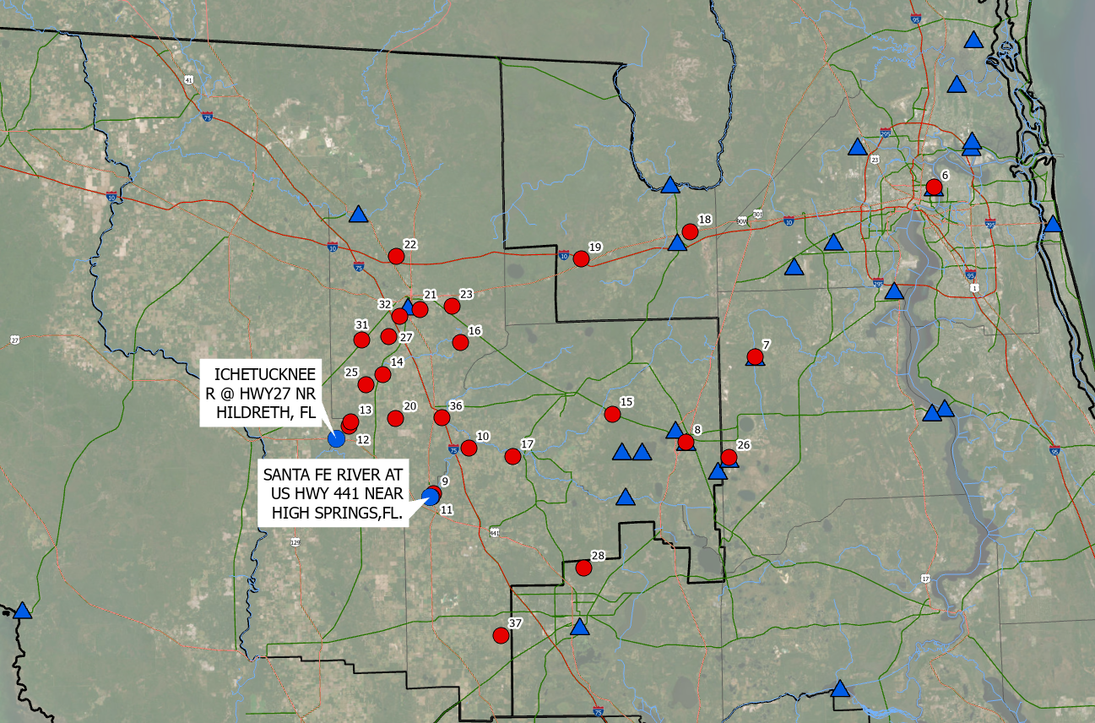
Recharge OBJECTID | RechargeID | Influence Factor at Santa Fe HWY 441 Gage | Influence Factor at Ichetucknee HWY 27 Gage | Aquifer Confinement (Williams, L.J., and Dixon, J.F., 2015) | Land Owner or Managing Agency | Land Use | Water Quality Requirements | Latitude | Longitude | Recharge Locations (Red Circles) labeled by Recharge OBJECTID
6 | Buckman_NoTransport | 0.046 | 0.017 | Confined | Treatment Facility | Utilities | TBD | 30.352331 | -81.628674
7 | NFBlackCreek_NoTransport | 0.105 | 0.022 | Confined | SJRWMD | Wetlands | TBD | 30.076818 | -81.979924
8 | Starke_NoTransport | 0.205 | 0.027 | Confined | Treatment Facility | Utilities | TBD | 29.937713 | -82.115332
9 | SantaFe_HWY_441_Gage1 | 0.642 | 0.042 | Unconfined | DEP | Wetlands | TBD | 29.859245 | -82.600507
10 | SantaFe_High_IF | 0.965 | 0.008 | Semiconfined | SRWMD | Agriculture | TBD | 29.933847 | -82.532526
11 | SantaFe_HWY_441_Gage2 | 0.933 | 0.006 | Unconfined | Private | Wetlands | TBD | 29.853544 | -82.603646
12 | Ichetucknee_HWY_27_Gage1 | 0.006 | 0.981 | Unconfined | DEP | Wetlands | TBD | 29.972849 | -82.760396
13 | Ichetucknee_HWY_27_Gage2 | 0.062 | 0.818 | Unconfined | DEP | Wetlands | TBD | 29.980383 | -82.757037
14 | Silviculture_SemiConfined2 | 0.251 | 0.318 | Semiconfined | DEP | Silviculture | TBD | 30.059027 | -82.69528
15 | Forest_Confined1 | 0.303 | 0.042 | Confined | Rayonier Forest Holdings | Silviculture | TBD | 29.986637 | -82.256383
16 | Forest_Confined2 | 0.367 | 0.160 | Confined | Rayonier Forest Holdings | Silviculture | TBD | 30.109584 | -82.545178
17 | Silviculture_SemiConfined3 | 0.704 | 0.057 | Semiconfined | SRWMD | Silviculture | TBD | 29.919283 | -82.447835
18 | Buckman30 | 0.078 | 0.025 | Confined | Rayonier Forest Holdings | Silviculture | TBD | 30.287823 | -82.099386
19 | Buckman40 | 0.138 | 0.046 | Confined | Rayonier Forest Holdings | Silviculture/Wetlands | TBD | 30.245171 | -82.310919
20 | Silviculture_SemiConfined1 | 0.265 | 0.267 | Semiconfined | Private | Silviculture | TBD | 29.985242 | -82.67146
21 | AlligatorLakePark | 0.245 | 0.211 | Semiconfined | Columbia County | Wetlands | TBD | 30.166086 | -82.622076
22 | FallingCreekFalls | 0.135 | 0.110 | Confined | SRWMD | Wetlands | TBD | 30.254896 | -82.666402
23 | Osceola_WMDLand | 0.241 | 0.140 | Confined | SWWMD | Upland Forests | TBD | 30.170576 | -82.560021
25 | KirbyPit | 0.234 | 0.340 | Unconfined | Department of Environmental Protection | Mining | TBD | 30.042195 | -82.727041
26 | TrailRidgeSouth | 0.105 | 0.016 | Confined | Private | Mining | TBD | 29.911229 | -82.033397
27 | LakeCityTreatmentWetland | 0.250 | 0.300 | Semiconfined | Lake City | Wetlands | TBD | 30.120877 | -82.683206
28 | GRU_SupplyWells | 0.311 | 0.026 | Confined | GRU | Forests/Wetlands | TBD | 29.73164 | -82.316098
31 | LakeCityParcel1 | 0.232 | 0.313 | Semiconfined | Lake City | Agriculture | TBD | 30.116094 | -82.733945
32 | ColumbiaCountyParcel2 | 0.248 | 0.265 | Semiconfined | Columbia Couny | Forests/Wetlands | TBD | 30.155001 | -82.661268
36 | ColumbiaCountyParcel1 | 0.626 | 0.110 | Semiconfined | Columbia County | Agriculutre | TBD | 29.985109 | -82.582999
37 | SouthwestNaturePark | 0.021 | 0.003 | Unconfined | Alachua County | Wetlands | TBD | 29.621301 | -82.476048

